W-2 Reconciliation
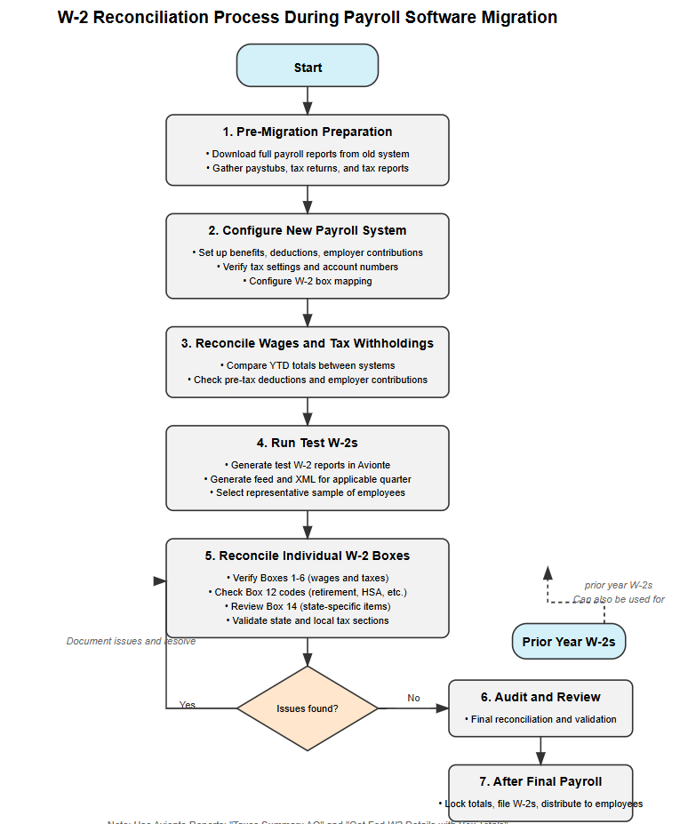
W-2 Reconciliation Checklist
Transitioning from one payroll system to another, especially mid-year, introduces the risk of data inconsistencies that can lead to incorrect W-2s, tax filing errors, employee frustration, and potential IRS or state penalties. W-2s are legal tax documents, and employers are responsible for ensuring their accuracy regardless of software used. Reconciling W-2s thoroughly ensures: - Employee wages, taxes, and deductions are reported correctly. - Year-to-date values from both payroll systems are properly combined. - Errors are caught before forms are filed with the IRS or sent to employees. - Compliance with federal, state, and local tax regulations is maintained. - A smooth and confident year-end process for HR, payroll, and accounting teams. This checklist provides a step-by-step guide to help you review, reconcile, and validate W-2s when switching payroll providers.
Field Name | Response | Ticket Number | Notes
1. PRE-MIGRATION PREPARATION
- Download, or have available Full Payroll Reports from old system
- Pay Stubs/Paychecks
- Payroll Tax Returns (W-2s, 941, state withholding tax returns, local tax returns)
- Tax Reports (tax totals, wage reports, including all federal, state and local wages & tax)
2. CONFIGURE NEW PAYROLL SYSTEM (AVIONTE) CORRECTLY
- Set Up Benefits and Deductions
- Set Up Employer Contributions
- Verify Federal, State, and Local Tax Settings
- Including Tax EINs/state account numbers
- Verify Transaction Type Settings
- Including W2 Box and W2 label fields
3. RECONCILE WAGES AND TAX WITHHOLDINGS
Use these Avionte Reports: Taxes Summary AQ
- Compare YTD Totals Between Systems
- Check Pre-Tax Deductions
- Verify Employer Contributions
4. RUN TEST W-2s
- Generate Test W-2 Reports in Avionte
- Generate Feed & XML for applicable quarter (Q4) in Weekly Process in Avionte
- Resolve any data errors displayed during generation
- Choose a Representative Sample of Employees to Review. Suggestions include:
- Hourly
- Salaried
- Commission-based or bonus recipients
- Employees with pre-tax deductions
- Employees with taxable benefits
- Employees paid under multiple state or local tax jurisdictions
- Employees who moved, changed states, or changed benefit elections
5. RECONCILE INDIVIDUAL BOXES AGAINST PAYROLL RECORDS & TAX RETURNS
Use these Avionte Reports: Taxes Summary AQ, Get Fed W2 Details with Box Totals
- Box 1 – Wages, Tips, Other Comp
- Adjust for Pre-Tax Deductions: Ensure pre-tax deductions (like health insurance premiums, 401(k) contributions, and commuter benefits) are subtracted correctly from gross wages since these reduce taxable wages for federal purposes.
- Include Taxable Benefits: Add back any taxable fringe benefits (like group-term life insurance over $50,000) to taxable wages.
- Box 2 – Federal Income Tax Withheld
- Box 3 & 5 – Social Security & Medicare Wages
- Wage Limit: Confirm that Social Security wages in Box 3 are capped at the annual wage base limit.
- Box 4 & 6 – Social Security & Medicare Tax Withheld
- Tax Withheld: Multiply Box 3 wages by the Social Security tax rate (6.2%) and Medicare tax rate (1.45%) confirm the result matches the amount in Box 4.
- Box 12 Codes, examples include:
- Code D: Elective deferrals to a 401 (k) plan
- Code E: Elective deferrals to a 403 (b) plan
- Code W: Health Savings Account (HSA) contributions
- Code AA: Designated for Roth
- Code DD: Employer-sponsored health coverage
- Box 14, examples include:
- State disability insurance: CA SDI, NJ TDI, NY DBL
- State paid family medical leave: employee contributions
- Check State and Local Tax Sections
- Ensure that state wages and taxes (Boxes 16–18) align with payroll records and state requirements.
- Review Employer Info
- Confirm the accuracy of the Employer Identification Number (EIN) and the employer’s legal name and address.
- Identify and Investigate Red Flags
- Document Issues and Resolve
- Re-generate W-2 Reports Post-Correction
- Complete a Re-Verification
5. AUDIT AND REVIEW
- Conduct a Final Employee-Level Reconciliation
- Validate Totals Against IRS Forms (quarterly 941s)
- Retain All Supporting Documentation
5. AFTER FINAL PAYROLL OF THE YEAR
- Lock in Year-End Totals
- File W-2s With the SSA and State Agencies
- Distribute W-2s to Employees
- Keep Year-End Files for Audit and Reference
5. PRIOR YEAR W-2 RECONCILIATION
This reconciliation checklist can also be effectively utilized for processing prior year W-2s in the Avionte system. While the document is primarily designed for mid-year migrations, the same verification steps apply when working with historical data. Organizations should maintain their prior year W-2 documents from their previous payroll software for record-keeping and compliance purposes. However, if needed, this systematic process can be followed to recreate W-2s in Avionte. For optimal accuracy and efficiency, we strongly recommend importing W-2 data from previous payroll systems directly into Avionte rather than manually recreating them. This direct conversion preserves data integrity, reduces the risk of transcription errors, and streamlines the reconciliation process. Following this checklist will ensure that prior year W-2s in Avionte maintain compliance with tax regulations and accurately reflect employee compensation history.

